5.4
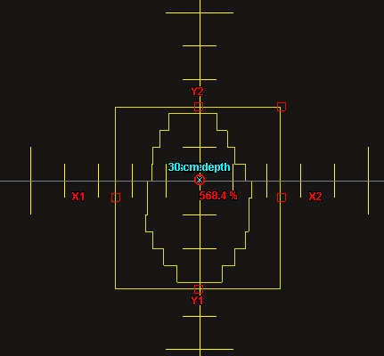
Test: | 5.4
Description: | Small MLC shaped field (non SRS)

Comments: | The field shape for this test is shown to the right.

Test Patient: | zz MPPG #5 Tests
Test Course: | MPPG Photons
Test Plan: | 5.4 TB140
Plan Settings: | 2 mm dose grid, all beams have 500 MU

Scan SSD: | 90 cm
Crossline Profile Depths: | dmax, 10 cm, 25 cm
Inline Profile Depths: | 10 cm

Point Dose Results:
 |  |  |  | Measurement |  |  |  |  | AAA |  |  | Acuros
Plan Name | Field Name | Dose Rate | Description | T | P | M | Mcorr | Rel. Dose | Calc Dose. | Rel. Dose | % Diff | Calc Dose. | Rel. Dose | % Diff
5.2 TB140 | 6x_10x10 | 600 Servo On | 6x 10x10 Standard |  |  |  | #DIV/0! | #DIV/0! |  | #DIV/0! | #DIV/0! |  | #DIV/0! | #DIV/0!
5.2 TB140 | 6xFFF_10x10 | 800 Servo On | 6x FFF 10x10 Standard |  |  |  | #DIV/0! | #DIV/0! |  | #DIV/0! | #DIV/0! |  | #DIV/0! | #DIV/0!
5.2 TB140 | 10xFFF_10x10 | 800 Servo On | 10x FFF 10x10 Standard |  |  |  | #DIV/0! | #DIV/0! |  | #DIV/0! | #DIV/0! |  | #DIV/0! | #DIV/0!
5.2 TB140 | 16x_10x10 | 600 Servo On | 16x 10x10 Standard |  |  |  | #DIV/0! | #DIV/0! |  | #DIV/0! | #DIV/0! |  | #DIV/0! | #DIV/0!
5.4 8 mm Offset | 6x | 600 Servo On | MPPG 5.4 |  |  |  | #DIV/0! | #DIV/0! |  | #DIV/0! | #DIV/0! |  | #DIV/0! | #DIV/0!
5.4 8 mm Offset | 6x FFF | 800 Servo On | MPPG 5.4 |  |  |  | #DIV/0! | #DIV/0! |  | #DIV/0! | #DIV/0! |  | #DIV/0! | #DIV/0!
5.4 8 mm Offset | 10x FFF | 800 Servo On | MPPG 5.4 |  |  |  | #DIV/0! | #DIV/0! |  | #DIV/0! | #DIV/0! |  | #DIV/0! | #DIV/0!
5.4 8 mm Offset | 16x | 600 Servo On | MPPG 5.4 |  |  |  | #DIV/0! | #DIV/0! |  | #DIV/0! | #DIV/0! |  | #DIV/0! | #DIV/0!

 |  | AAA |  |  |  |  | Acuros
Profile Passing Rates: |  | Crossline |  |  | Inline | PDD | Crossline |  |  | Inline | PDD
Criteria: 2%/2mm Global |  | dmax | 10 cm | 30 cm | 10 cm |  | dmax | 10 cm | 30 cm | 10 cm
5.4 8 mm Offset | 6x
5.4 8 mm Offset | 6x FFF
5.4 8 mm Offset | 10x FFF
5.4 8 mm Offset | 16x

5.5
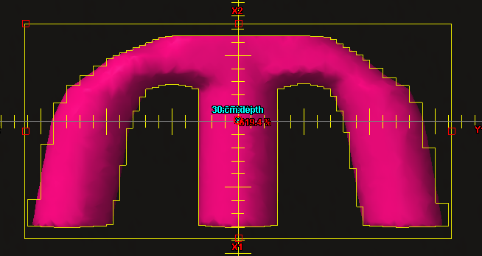
Test: | 5.5
Description: | Large MLC shaped field with extensive blocking (e.g.: mantle)

Comments: | The field shape for this test is shown to the right.

Test Patient: | zz MPPG #5 Tests
Test Course: | MPPG Photons
Test Plan: | 5.5 TB140
Plan Settings: | 2 mm dose grid, all beams have 500 MU

Scan SSD: | 90 cm
Crossline Profile Depths: | dmax, 10 cm, 25 cm
Inline Profile Depths: | 10 cm

Point Dose Results:
 |  |  |  | Measurement |  |  |  |  | AAA |  |  | Acuros
Plan Name | Field Name | Dose Rate | Description | T | P | M | Mcorr | Rel. Dose | Calc Dose. | Rel. Dose | % Diff | Calc Dose. | Rel. Dose | % Diff
5.2 TB140 | 6x_10x10 | 600 Servo On | 6x 10x10 Standard | 0 | 0 | 0 | #DIV/0! | #DIV/0! | 0 | #DIV/0! | #DIV/0! | 0 | #DIV/0! | #DIV/0!
5.2 TB140 | 6xFFF_10x10 | 800 Servo On | 6x FFF 10x10 Standard | 0 | 0 | 0 | #DIV/0! | #DIV/0! | 0 | #DIV/0! | #DIV/0! | 0 | #DIV/0! | #DIV/0!
5.2 TB140 | 10xFFF_10x10 | 800 Servo On | 10x FFF 10x10 Standard | 0 | 0 | 0 | #DIV/0! | #DIV/0! | 0 | #DIV/0! | #DIV/0! | 0 | #DIV/0! | #DIV/0!
5.2 TB140 | 16x_10x10 | 600 Servo On | 16x 10x10 Standard | 0 | 0 | 0 | #DIV/0! | #DIV/0! | 0 | #DIV/0! | #DIV/0! | 0 | #DIV/0! | #DIV/0!
5.5 TB140 | 6x | 600 Servo On | MPPG 5.5 |  |  |  | #DIV/0! | #DIV/0! |  | #DIV/0! | #DIV/0! |  | #DIV/0! | #DIV/0!
5.5 TB140 | 6x FFF | 800 Servo On | MPPG 5.5 |  |  |  | #DIV/0! | #DIV/0! |  | #DIV/0! | #DIV/0! |  | #DIV/0! | #DIV/0!
5.5 TB140 | 10x FFF | 800 Servo On | MPPG 5.5 |  |  |  | #DIV/0! | #DIV/0! |  | #DIV/0! | #DIV/0! |  | #DIV/0! | #DIV/0!
5.5 TB140 | 16x | 600 Servo On | MPPG 5.5 |  |  |  | #DIV/0! | #DIV/0! |  | #DIV/0! | #DIV/0! |  | #DIV/0! | #DIV/0!

 |  | AAA |  |  |  |  | Acuros
Profile Passing Rates: |  | Crossline |  |  | Inline | PDD | Crossline |  |  | Inline | PDD
Criteria: 2%/2mm Global |  | dmax | 10 cm | 30 cm | 10 cm |  | dmax | 10 cm | 30 cm | 10 cm
5.5 | 6x
5.5 | 6x FFF
5.5 | 10x FFF
5.5 | 16x

5.6
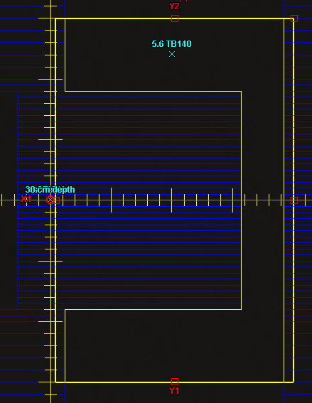
Test: | 5.6
Description: | Off-axis MLC shaped field, with maximum allowed leaf over travel.

Comments: | The field shape for this test is shown to the right.

Test Patient: | zz MPPG #5 Tests
Test Course: | MPPG Photons
Test Plan: | 5.6 TB140
Plan Settings: | 2 mm dose grid, all beams have 500 MU

Scan SSD: | 90 cm
Crossline Profile Location: | z = 12 cm
Crossline Profile Depths: | 10 cm
Inline Profile Location: | x = 10 cm
Inline Profile Depths: | dmax, 10 cm, 25 cm

Point Dose Results:
 |  |  |  | Measurement |  |  |  |  | AAA |  |  | Acuros
Plan Name | Field Name | Dose Rate | Description | T | P | M | Mcorr | Rel. Dose | Calc Dose. | Rel. Dose | % Diff | Calc Dose. | Rel. Dose | % Diff
5.2 TB140 | 6x_10x10 | 600 Servo On | 6x 10x10 Standard | 0 | 0 | 0 | #DIV/0! | #DIV/0! | 0 | #DIV/0! | #DIV/0! | 0 | #DIV/0! | #DIV/0!
5.2 TB140 | 6xFFF_10x10 | 800 Servo On | 6x FFF 10x10 Standard | 0 | 0 | 0 | #DIV/0! | #DIV/0! | 0 | #DIV/0! | #DIV/0! | 0 | #DIV/0! | #DIV/0!
5.2 TB140 | 10xFFF_10x10 | 800 Servo On | 10x FFF 10x10 Standard | 0 | 0 | 0 | #DIV/0! | #DIV/0! | 0 | #DIV/0! | #DIV/0! | 0 | #DIV/0! | #DIV/0!
5.2 TB140 | 16x_10x10 | 600 Servo On | 16x 10x10 Standard | 0 | 0 | 0 | #DIV/0! | #DIV/0! | 0 | #DIV/0! | #DIV/0! | 0 | #DIV/0! | #DIV/0!
5.6 TB140 | 6x | 600 Servo On | MPPG 5.6 |  |  |  | #DIV/0! | #DIV/0! |  | #DIV/0! | #DIV/0! |  | #DIV/0! | #DIV/0!
5.6 TB140 | 6x FFF | 800 Servo On | MPPG 5.6 |  |  |  | #DIV/0! | #DIV/0! |  | #DIV/0! | #DIV/0! |  | #DIV/0! | #DIV/0!
5.6 TB140 | 10x FFF | 800 Servo On | MPPG 5.6 |  |  |  | #DIV/0! | #DIV/0! |  | #DIV/0! | #DIV/0! |  | #DIV/0! | #DIV/0!
5.6 TB140 | 16x | 600 Servo On | MPPG 5.6 |  |  |  | #DIV/0! | #DIV/0! |  | #DIV/0! | #DIV/0! |  | #DIV/0! | #DIV/0!

 |  | AAA |  |  |  |  | Acuros
Profile Passing Rates: |  | Inline |  |  | Crossline | PDD | Inline |  |  | Crossline | PDD
Criteria: 2%/2mm Global |  | dmax | 10 cm | 30 cm | 10 cm |  | dmax | 10 cm | 30 cm | 10 cm
5.6 | 6x
5.6 | 6x FFF
5.6 | 10x FFF
5.6 | 16x

5.7
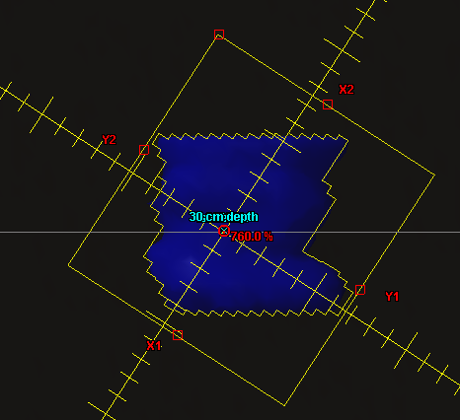
Test: | 5.7
Description: | Asymmetric MLC shaped field at minimal anticipated SSD

Comments: | The field shape for this test is shown to the right.

Test Patient: | zz MPPG #5 Tests
Test Course: | MPPG Photons
Test Plan: | 5.7 TB140
Plan Settings: | 2 mm dose grid, all beams have 500 MU

Scan SSD: | 80 cm
Crossline Profile Location: | z = 0
Crossline Profile Depths: | dmax, 10 cm, 25 cm
Inline Profile Location: | x = 0
Inline Profile Depths: | 10 cm

Point Dose Results:
 |  |  |  | Measurement |  |  |  |  | AAA |  |  | Acuros
Plan Name | Field Name | Dose Rate | Description | T | P | M | Mcorr | Rel. Dose | Calc Dose. | Rel. Dose | % Diff | Calc Dose. | Rel. Dose | % Diff
5.2 TB140 | 6x_10x10 | 600 Servo On | 6x 10x10 Standard | 0 | 0 | 0 | #DIV/0! | #DIV/0! | 0 | #DIV/0! | #DIV/0! | 0 | #DIV/0! | #DIV/0!
5.2 TB140 | 6xFFF_10x10 | 800 Servo On | 6x FFF 10x10 Standard | 0 | 0 | 0 | #DIV/0! | #DIV/0! | 0 | #DIV/0! | #DIV/0! | 0 | #DIV/0! | #DIV/0!
5.2 TB140 | 10xFFF_10x10 | 800 Servo On | 10x FFF 10x10 Standard | 0 | 0 | 0 | #DIV/0! | #DIV/0! | 0 | #DIV/0! | #DIV/0! | 0 | #DIV/0! | #DIV/0!
5.2 TB140 | 16x_10x10 | 600 Servo On | 16x 10x10 Standard | 0 | 0 | 0 | #DIV/0! | #DIV/0! | 0 | #DIV/0! | #DIV/0! | 0 | #DIV/0! | #DIV/0!
5.7 TB140 | 6x | 600 Servo On | MPPG 5.7 |  |  |  | #DIV/0! | #DIV/0! |  | #DIV/0! | #DIV/0! |  | #DIV/0! | #DIV/0!
5.7 TB140 | 6x FFF | 800 Servo On | MPPG 5.7 |  |  |  | #DIV/0! | #DIV/0! |  | #DIV/0! | #DIV/0! |  | #DIV/0! | #DIV/0!
5.7 TB140 | 10x FFF | 800 Servo On | MPPG 5.7 |  |  |  | #DIV/0! | #DIV/0! |  | #DIV/0! | #DIV/0! |  | #DIV/0! | #DIV/0!
5.7 TB140 | 16x | 600 Servo On | MPPG 5.7 |  |  |  | #DIV/0! | #DIV/0! |  | #DIV/0! | #DIV/0! |  | #DIV/0! | #DIV/0!

 |  | AAA |  |  |  |  | Acuros
Profile Passing Rates: |  | Crossline |  |  | Inline | PDD | Crossline |  |  | Inline | PDD
Criteria: 2%/2mm Global |  | dmax | 10 cm | 30 cm | 10 cm |  | dmax | 10 cm | 30 cm | 10 cm
5.7 | 6x
5.7 | 6x FFF
5.7 | 10x FFF
5.7 | 16x

5.9
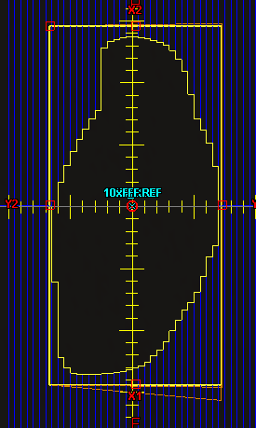
Test: | 5.9
Description: | Large (>15cm) MLC field for each a non-physical wedge angle

Comments: | The field shape for this test is shown to the right. Measured using MapCHECK2 at three depths in Solid Water using an isocentric geometry.

Test Patient: | zz MPPG #5 Tests
Test Course: | MPPG Photons
Test Plan: | 5.9 TB140 (05, 10, 20)
Plan Settings: | 2 mm dose grid, all beams have 300 MU

Energy | Angle | Direction | Depth | AAA | Acuros | (3%/2mm)
6x | 60 | In | 5 cm
6x | 60 | Out | 5 cm
16x | 60 | In | 5 cm
16x | 60 | Out | 5 cm
6x | 60 | In | 10 cm
6x | 60 | Out | 10 cm
6x | 45 | In | 10 cm
6x | 30 | In | 10 cm
6x | 25 | In | 10 cm
6x | 20 | In | 10 cm
6x | 15 | In | 10 cm
6x | 10 | In | 10 cm
16x | 60 | In | 10 cm
16x | 60 | Out | 10 cm
16x | 45 | In | 10 cm
16x | 30 | In | 10 cm
16x | 25 | In | 10 cm
16x | 20 | In | 10 cm
16x | 15 | In | 10 cm
16x | 10 | In | 10 cm
6x | 60 | In | 20 cm
6x | 60 | Out | 20 cm
16x | 60 | In | 20 cm
16x | 60 | Out | 20 cm

6.2
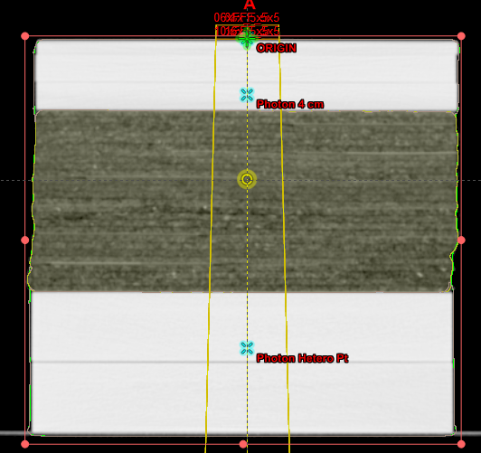
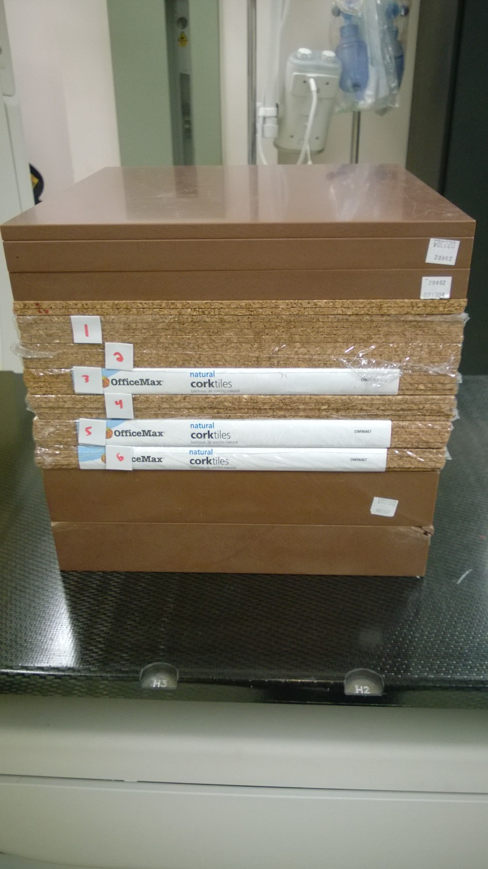
Test: | 6.2
Objective: | Heterogeneity correction distal and proximal to lung tissue
Description: | 5x5 cm2, measure dose ratio above and below heterogeneity outside of the buildup region

Tolerances: | 3%

Comments: | This phantom consists of 5 cm of Solid Water on top, 13 cm of lung substitute material in the middle, then 10 cm of Solid Water on the bottom. Cork was used for a lung substitute material. Ion chamber measurements were taken at 4 cm depth and 22 cm depth. 90 SSD.

Point Dose Results:
 |  |  |  | Measurement |  |  |  |  |  |  | AAA |  |  | Acuros (No Override, Dm) |  |  | Acuros (No Override, Dw) |  |  | Acuros (Override)
Energy | Field Size | SSD | Depth | T | P | M1 | M2 | Mave | Mcorr | Rel. Dose | Calc Dose. | Rel. Dose | % Diff | Calc Dose. | Rel. Dose | % Diff | Calc Dose. | Rel. Dose | % Diff | Calc Dose. | Rel. Dose | % Diff
6x | 10x10 | 100 | 1.4 |  |  |  | -37.20 | -37.20 | #DIV/0! | #DIV/0! |  | #DIV/0! | #DIV/0! |  | #DIV/0! | #DIV/0! |  | #DIV/0! | #DIV/0! |  | #DIV/0! | #DIV/0!
6xFFF | 10x10 | 100 | 1.3 |  |  |  | -36.52 | -36.52 | #DIV/0! | #DIV/0! |  | #DIV/0! | #DIV/0! |  | #DIV/0! | #DIV/0! |  | #DIV/0! | #DIV/0! |  | #DIV/0! | #DIV/0!
10xFFF | 10x10 | 100 | 2.2 |  |  |  | -36.74 | -36.74 | #DIV/0! | #DIV/0! |  | #DIV/0! | #DIV/0! |  | #DIV/0! | #DIV/0! |  | #DIV/0! | #DIV/0! |  | #DIV/0! | #DIV/0!
16x | 10x10 | 100 | 2.9 |  |  |  | -37.53 | -37.53 | #DIV/0! | #DIV/0! |  | #DIV/0! | #DIV/0! |  | #DIV/0! | #DIV/0! |  | #DIV/0! | #DIV/0! |  | #DIV/0! | #DIV/0!
6x | 5x5 | 90 | 4 |  |  |  | -38.61 | -38.61 | #DIV/0! | #DIV/0! |  | #DIV/0! | #DIV/0! |  | #DIV/0! | #DIV/0! |  | #DIV/0! | #DIV/0! |  | #DIV/0! | #DIV/0!
6xFFF | 5x5 | 90 | 4 |  |  |  | -37.82 | -37.82 | #DIV/0! | #DIV/0! |  | #DIV/0! | #DIV/0! |  | #DIV/0! | #DIV/0! |  | #DIV/0! | #DIV/0! |  | #DIV/0! | #DIV/0!
10xFFF | 5x5 | 90 | 4 |  |  |  | -41.01 | -41.01 | #DIV/0! | #DIV/0! |  | #DIV/0! | #DIV/0! |  | #DIV/0! | #DIV/0! |  | #DIV/0! | #DIV/0! |  | #DIV/0! | #DIV/0!
16x | 5x5 | 90 | 4 |  |  |  | -42.10 | -42.10 | #DIV/0! | #DIV/0! |  | #DIV/0! | #DIV/0! |  | #DIV/0! | #DIV/0! |  | #DIV/0! | #DIV/0! |  | #DIV/0! | #DIV/0!
6x | 5x5 | 90 | 22 |  |  |  | -18.81 | -18.81 | #DIV/0! | #DIV/0! |  | #DIV/0! | #DIV/0! |  | #DIV/0! | #DIV/0! |  | #DIV/0! | #DIV/0! |  | #DIV/0! | #DIV/0!
6xFFF | 5x5 | 90 | 22 |  |  |  | -17.63 | -17.63 | #DIV/0! | #DIV/0! |  | #DIV/0! | #DIV/0! |  | #DIV/0! | #DIV/0! |  | #DIV/0! | #DIV/0! |  | #DIV/0! | #DIV/0!
10xFFF | 5x5 | 90 | 22 |  |  |  | -21.31 | -21.31 | #DIV/0! | #DIV/0! |  | #DIV/0! | #DIV/0! |  | #DIV/0! | #DIV/0! |  | #DIV/0! | #DIV/0! |  | #DIV/0! | #DIV/0!
16x | 5x5 | 90 | 22 |  |  |  | -23.47 | -23.47 | #DIV/0! | #DIV/0! |  | #DIV/0! | #DIV/0! |  | #DIV/0! | #DIV/0! |  | #DIV/0! | #DIV/0! |  | #DIV/0! | #DIV/0!

7.1 & 7.2
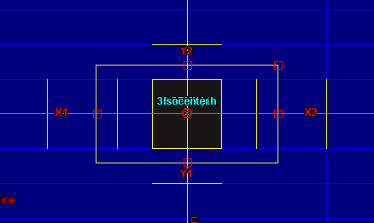
Test: | 7.1 & 7.2
Objective: | Very small field PDD & Verify output for small MLC-defined field
Description: | 1x1 cm2 MLC shaped field. Jaws are retract 0.8 cm in X and 0.2 cm in Y, as is done automatically. Measured with Edge detector.

Test Patient: | zz MPPG #5 Tests
Test Course: | MPPG Photons
Test Plan: | 7.1 TB140
Plan Settings: | 1 mm dose grid, all beams have 500 MU

Scan SSD: | 90 cm
Crossline Profile Depths: | dmax, 10 cm, 25 cm
Inline Profile Depths: | 10 cm

Point Dose Results: |  |  |  |  |  |  |  |  |  |  |  | With kΩ = 0.967 applied to 1x1 fields
 |  |  |  | Measurements |  | AAA |  |  | Acuros |  |  | Measurements |  | AAA |  |  | Acuros
Plan Name | Field Name | Dose Rate | Description | M | Rel. Dose | Calc Dose. | Rel. Dose | % Diff | Calc Dose. | Rel. Dose | % Diff | M | Rel. Dose | Calc Dose. | Rel. Dose | % Diff | Calc Dose. | Rel. Dose | % Diff
7.0 TB140 | 7.0-6x | 600 Servo On | 6x 10x10 90 SSD |  | #DIV/0! |  | #DIV/0! | #DIV/0! |  | #DIV/0! | #DIV/0! | 0 | #DIV/0! | 0 | #DIV/0! | #DIV/0! | 0 | #DIV/0! | #DIV/0!
7.0 TB140 | 7.0-6xFFF | 800 Servo On | 6x FFF 10x10 90 SSD |  | #DIV/0! |  | #DIV/0! | #DIV/0! |  | #DIV/0! | #DIV/0! | 0 | #DIV/0! | 0 | #DIV/0! | #DIV/0! | 0 | #DIV/0! | #DIV/0!
7.0 TB140 | 7.0-10xFFF | 800 Servo On | 10x FFF 10x10 90 SSD |  | #DIV/0! |  | #DIV/0! | #DIV/0! |  | #DIV/0! | #DIV/0! | 0 | #DIV/0! | 0 | #DIV/0! | #DIV/0! | 0 | #DIV/0! | #DIV/0!
7.0 TB140 | 7.0-16x | 600 Servo On | 16x 10x10 90 SSD |  | #DIV/0! |  | #DIV/0! | #DIV/0! |  | #DIV/0! | #DIV/0! | 0 | #DIV/0! | 0 | #DIV/0! | #DIV/0! | 0 | #DIV/0! | #DIV/0!
7.1 TB140 | 7.1-6x | 600 Servo On | MPPG 7.1 |  | #DIV/0! |  | #DIV/0! | #DIV/0! |  | #DIV/0! | #DIV/0! | 0 | #DIV/0! | 0 | #DIV/0! | #DIV/0! | 0 | #DIV/0! | #DIV/0!
7.1 TB140 | 7.1-6xFFF | 800 Servo On | MPPG 7.1 |  | #DIV/0! |  | #DIV/0! | #DIV/0! |  | #DIV/0! | #DIV/0! | 0 | #DIV/0! | 0 | #DIV/0! | #DIV/0! | 0 | #DIV/0! | #DIV/0!
7.1 TB140 | 7.1-10xFFF | 800 Servo On | MPPG 7.1 |  | #DIV/0! |  | #DIV/0! | #DIV/0! |  | #DIV/0! | #DIV/0! | 0 | #DIV/0! | 0 | #DIV/0! | #DIV/0! | 0 | #DIV/0! | #DIV/0!
7.1 TB140 | 7.1-16x | 600 Servo On | MPPG 7.1 |  | #DIV/0! |  | #DIV/0! | #DIV/0! |  | #DIV/0! | #DIV/0! | 0 | #DIV/0! | 0 | #DIV/0! | #DIV/0! | 0 | #DIV/0! | #DIV/0!

 |  | AAA |  |  |  |  | Acuros
Profile Passing Rates: |  | Crossline |  |  | Inline | PDD | Crossline |  |  | Inline | PDD
Criteria: 2%/2mm Global |  | dmax | 10 cm | 30 cm | 10 cm |  | dmax | 10 cm | 30 cm | 10 cm
7.1 | 6x
7.1 | 6x FFF
7.1 | 10x FFF
7.1 | 16x

Comments: According to "Francescon, Cora, and Satariano: Correction factors for several detectors using MC simulation, Med Phys 2011", the Edge Detector exhibits a 3.0-3.5% overreponse at 6x for a field size of 1x1. The response for other energies is unknown, but it is likely the overresponse is greater for higher energies. If we apply a uniform 3.3% correction, all of our measured output factors for 1x1 would be within 3% of the calculated doses for both algorithms. The agreement may be even better, but it isn't possible to apply energy-dependant corrections because they have not been published and require Monte Carlo to calculate.

8.1
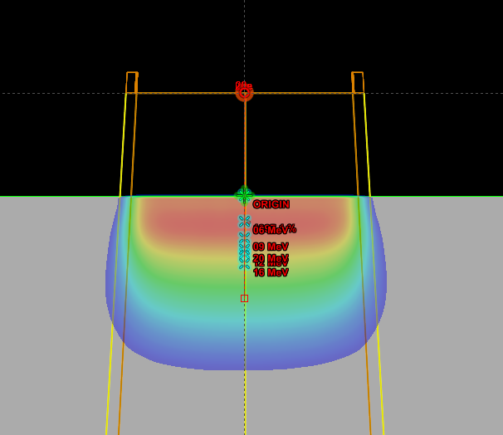
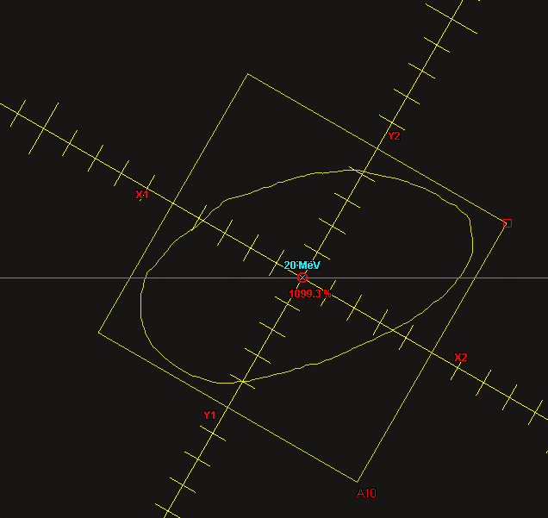
Test: | 8.1
Objective: | Basic model verification with shaped fields

Description: | Custom cutouts at standard and extended SSDs.

Tolerance: | 3%/3mm

Test Patient:
Test Course: | MPPG
Test Plan: | 8.1 100 SSD, 8.1 105 SSD
Plan Settings: | 2 mm dose grid, all beams have 500 MU

Scan SSD: | 100 cm, 105 cm
Crossline Profile Depths: | Energy Dependant
Inline Profile Depths: | Energy Dependant

Point Dose Results:
 |  |  |  | Measurement |  |  |  |  | EMC
Plan Name | Field Name | Dose Rate | Description | T | P | M | Mcorr | Rel. Dose | Calc Dose. | Rel. Dose | % Diff
Standards | 06e | 600 Servo On | 6e 10x10 Standard |  |  |  | #DIV/0! | #DIV/0! |  | #DIV/0! | #DIV/0!
Standards | 09e | 600 Servo On | 9e 10x10 Standard |  |  |  | #DIV/0! | #DIV/0! |  | #DIV/0! | #DIV/0!
Standards | 12e | 600 Servo On | 12e 10x10 Standard |  |  |  | #DIV/0! | #DIV/0! |  | #DIV/0! | #DIV/0!
Standards | 16e | 600 Servo On | 16e 10x10 Standard |  |  |  | #DIV/0! | #DIV/0! |  | #DIV/0! | #DIV/0!
Standards | 20e | 600 Servo On | 20e 10x10 Standard |  |  |  | #DIV/0! | #DIV/0! |  | #DIV/0! | #DIV/0!
8.1 100 SSD | 06e | 600 Servo On | MPPG 8.1 |  |  |  | #DIV/0! | #DIV/0! |  | #DIV/0! | #DIV/0!
8.1 100 SSD | 09e | 600 Servo On | MPPG 8.1 |  |  |  | #DIV/0! | #DIV/0! |  | #DIV/0! | #DIV/0!
8.1 100 SSD | 12e | 600 Servo On | MPPG 8.1 |  |  |  | #DIV/0! | #DIV/0! |  | #DIV/0! | #DIV/0!
8.1 100 SSD | 16e | 600 Servo On | MPPG 8.1 |  |  |  | #DIV/0! | #DIV/0! |  | #DIV/0! | #DIV/0!
8.1 100 SSD | 20e | 600 Servo On | MPPG 8.1 |  |  |  | #DIV/0! | #DIV/0! |  | #DIV/0! | #DIV/0!
8.1 105 SSD | 06e | 600 Servo On | MPPG 8.1 |  |  |  | #DIV/0! | #DIV/0! |  | #DIV/0! | #DIV/0!
8.1 105 SSD | 09e | 600 Servo On | MPPG 8.1 |  |  |  | #DIV/0! | #DIV/0! |  | #DIV/0! | #DIV/0!
8.1 105 SSD | 12e | 600 Servo On | MPPG 8.1 |  |  |  | #DIV/0! | #DIV/0! |  | #DIV/0! | #DIV/0!
8.1 105 SSD | 16e | 600 Servo On | MPPG 8.1 |  |  |  | #DIV/0! | #DIV/0! |  | #DIV/0! | #DIV/0!
8.1 105 SSD | 20e | 600 Servo On | MPPG 8.1 |  |  |  | #DIV/0! | #DIV/0! |  | #DIV/0! | #DIV/0!

 |  | Electron Monte Carlo
Profile Passing Rates: |  | Crossline |  | Inline |  | PDD
Criteria: 3%/3mm Global |  | Depth 1 | Depth 2 | Depth 1 | Depth 2
8.1 100 SSD | 06e
8.1 100 SSD | 09e
8.1 100 SSD | 12e
8.1 100 SSD | 16e
8.1 100 SSD | 20e

 |  | Electron Monte Carlo
Profile Passing Rates: |  | Crossline |  | Inline |  | PDD
Criteria: 3%/3mm Global |  | Depth 1 | Depth 2 | Depth 1 | Depth 2
8.1 105 SSD | 06e
8.1 105 SSD | 09e
8.1 105 SSD | 12e
8.1 105 SSD | 16e
8.1 105 SSD | 20e

8.2
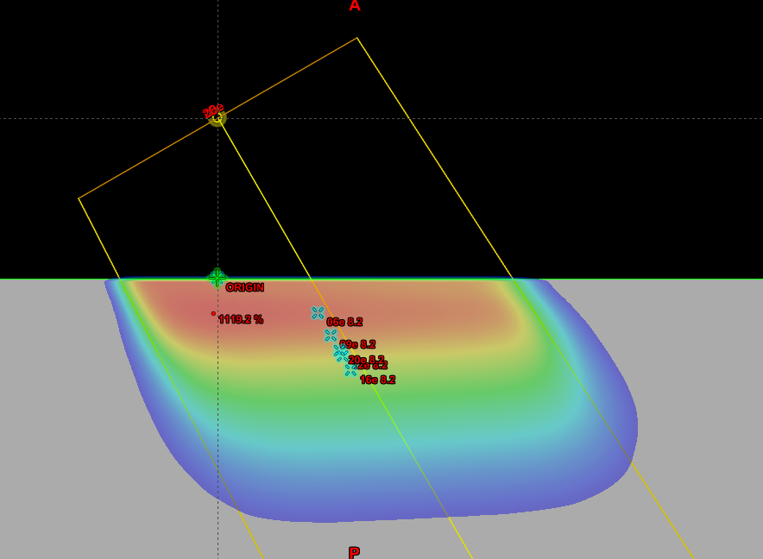
Test: | 8.2
Objective: | Surface irregularities - obliquity

Description: | Oblique incidence using reference cone and nominal clinical SSD. Measurement was done with 10x10 applicator, 105 SSD and 30 degree gantry rotation.

Tolerance: | 5%

Test Patient:
Test Course: | MPPG
Test Plan: | 8.2 105 SSD
Plan Settings: | 2 mm dose grid, all beams have 500 MU

Scan SSD: | 105 SSD
Crossline Profile Depths: | Energy Dependant
Inline Profile Depths: | Energy Dependant

Point Dose Results:
 |  |  |  |  |  |  | Measurement |  |  |  |  | EMC
Plan Name | Field Name | Dose Rate | Description | X | Y | Z | T | P | M | Mcorr | Rel. Dose | Calc Dose. | Rel. Dose | % Diff
Standards | 06e | 600 Servo On | 6e 10x10 Standard | 0 | 0 | 1.25 |  |  |  | #DIV/0! | #DIV/0! |  | #DIV/0! | #DIV/0!
Standards | 09e | 600 Servo On | 9e 10x10 Standard | 0 | 0 | 2.05 |  |  |  | #DIV/0! | #DIV/0! |  | #DIV/0! | #DIV/0!
Standards | 12e | 600 Servo On | 12e 10x10 Standard | 0 | 0 | 2.8 |  |  |  | #DIV/0! | #DIV/0! |  | #DIV/0! | #DIV/0!
Standards | 16e | 600 Servo On | 16e 10x10 Standard | 0 | 0 | 3.3 |  |  |  | #DIV/0! | #DIV/0! |  | #DIV/0! | #DIV/0!
Standards | 20e | 600 Servo On | 20e 10x10 Standard | 0 | 0 | 2.6 |  |  |  | #DIV/0! | #DIV/0! |  | #DIV/0! | #DIV/0!
8.2 105 SSD | 06e | 600 Servo On | MPPG 8.1 | 3.13 | 0 | 1.08 |  |  |  | #DIV/0! | #DIV/0! |  | #DIV/0! | #DIV/0!
8.2 105 SSD | 09e | 600 Servo On | MPPG 8.1 | 3.53 | 0 | 1.78 |  |  |  | #DIV/0! | #DIV/0! |  | #DIV/0! | #DIV/0!
8.2 105 SSD | 12e | 600 Servo On | MPPG 8.1 | 3.9 | 0 | 2.42 |  |  |  | #DIV/0! | #DIV/0! |  | #DIV/0! | #DIV/0!
8.2 105 SSD | 16e | 600 Servo On | MPPG 8.1 | 4.15 | 0 | 2.86 |  |  |  | #DIV/0! | #DIV/0! |  | #DIV/0! | #DIV/0!
8.2 105 SSD | 20e | 600 Servo On | MPPG 8.1 | 3.8 | 0 | 2.25 |  |  |  | #DIV/0! | #DIV/0! |  | #DIV/0! | #DIV/0!

 |  | Electron Monte Carlo
Profile Passing Rates: |  | Crossline |  | Inline |  | PDD | Diagonal
Criteria: 3%/3mm Global |  | Depth 1 | Depth 2 | Depth 1 | Depth 2
8.2 105 SSD | 06e
8.2 105 SSD | 09e
8.2 105 SSD | 12e
8.2 105 SSD | 16e
8.2 105 SSD | 20e

8.3
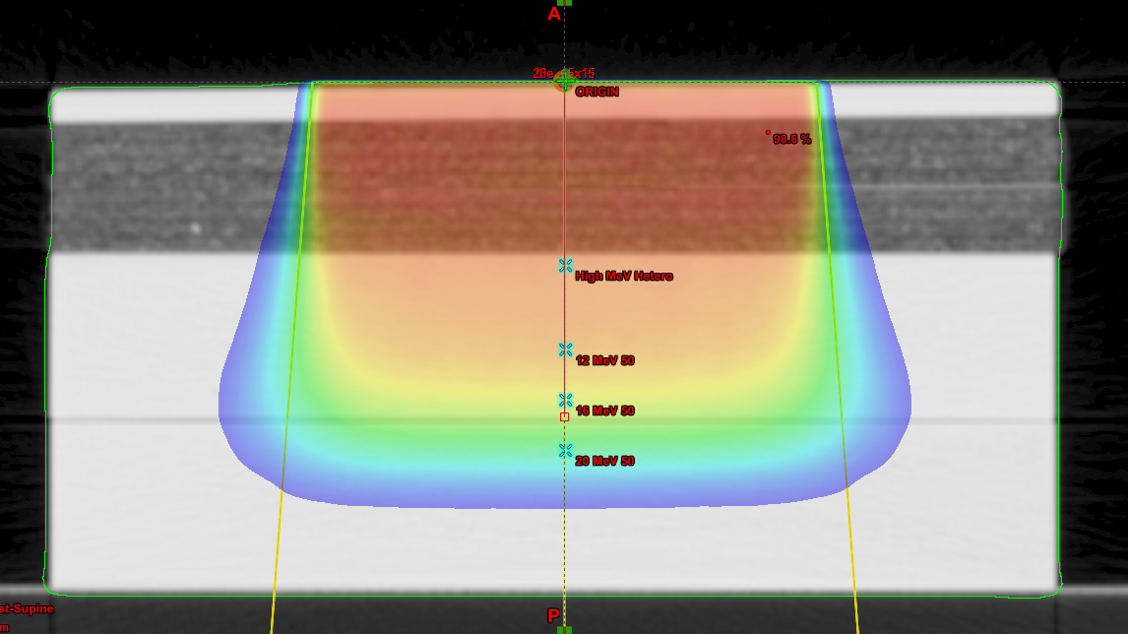
Test: | 8.3
Objective: | Inhomogeneity test

Description: | Reference cone and nominal clinical SSD.

Tolerance: | 7%

Test Patient: | zz MPPG #5 Tests
Test Course: | Hetero Check
Test Plan: | 6 MeV Hetero, 9 MeV Hetero, 12 MeV Hetero
Plan Settings: | 2 mm dose grid, all beams have 200 MU
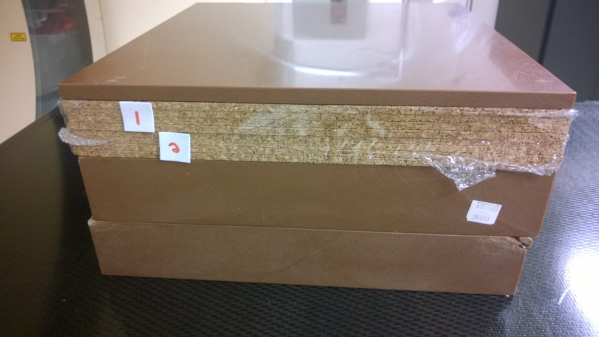
 | Measurements in Reference Geometry |  |  |  |  |  | Electron Monte Carlo
Energy | Measured Dmax | T | P | M | Mcorr | Rel. Dose | Calc Dose. | Rel. Dose | % Diff
6 MeV | 1.2 | 23.5 | 769 | -3.836 | -3.810 | 1.000 | 198.5 | 1.000 | 0.00%
9 MeV | 2 | 23.4 | 769 | -3.862 | -3.835 | 1.000 | 199.6 | 1.000 | 0.00%
12 MeV | 2.8 | 23.4 | 769 | -3.899 | -3.872 | 1.000 | 199.5 | 1.000 | 0.00%
16 MeV | 3.3 | 23.4 | 769 | -3.968 | -3.940 | 1.000 | 199.9 | 1.000 | 0.00%
20 MeV | 2.6 | 23.4 | 769 | -4.075 | -4.046 | 1.000 | 199.1 | 1.000 | 0.00%

 | Measurements near Dmax in Heterogenity Phantom |  |  |  |  |  | Electron Monte Carlo
Energy | Depth | T | P | M | Mcorr | Rel. Dose | Calc Dose. | Rel. Dose | % Diff
6 MeV | 2 | 23.4 | 768 | -3.749 | -3.728 | 0.978 | 191.6 | 0.965 | -1.33%
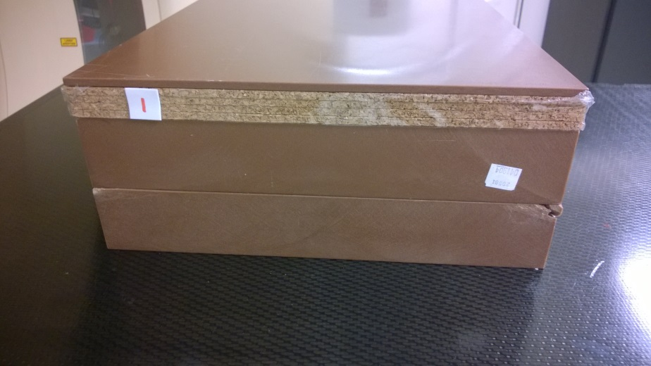
9 MeV | 3.5 | 23.4 | 769 | -3.766 | -3.740 | 0.975 | 189.4 | 0.949 | -2.69%
12 MeV | 5.5 | 23.4 | 769 | -3.657 | -3.631 | 0.938 | 182.8 | 0.916 | -2.31%
16 MeV | 5.5 | 23.4 | 769 | -3.765 | -3.739 | 0.949 | 184.3 | 0.922 | -2.83%
20 MeV | 5.5 | 23.4 | 769 | -3.847 | -3.820 | 0.944 | 184.1 | 0.925 | -2.05%

 | Measurements In Longitudinal Dose Fall-off Region |  |  |  |  |  | Electron Monte Carlo
Energy | Depth | T | P | M | Mcorr | Rel. Dose | Calc Dose. | Rel. Dose | % Diff
6 MeV | 3 | 23.4 | 768 | -2.053 | -2.041 | 0.536 | 97.2 | 0.490 | -8.59%
6 MeV | 3.1 | 23.4 | 768 | -1.765 | -1.755 | 0.461 | 97.2 | 0.490 | 6.32%
9 MeV | 5 | 23.4 | 769 | -1.893 | -1.880 | 0.490 | 100.6 | 0.504 | 2.83%
9 MeV | 4.9 | 23.4 | 769 | -2.107 | -2.092 | 0.546 | 100.6 | 0.504 | -7.62%
12 MeV | 8 | 23.4 | 769 | -1.663 | -1.651 | 0.427 | 83.9 | 0.421 | -1.40%
12 MeV | 8.1 | 23.4 | 769 | -1.514 | -1.503 | 0.388 | 83.9 | 0.421 | 8.30%
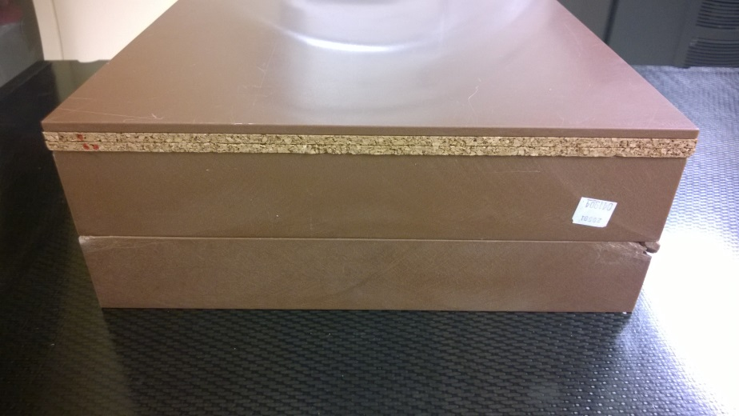
16 MeV | 9.5 | 23.4 | 769 | -1.858 | -1.845 | 0.468 | 88.5 | 0.443 | -5.45%
16 MeV | 9.6 | 23.4 | 769 | -1.747 | -1.735 | 0.440 | 88.5 | 0.443 | 0.56%
20 MeV | 11 | 23.4 | 769 | -1.975 | -1.961 | 0.485 | 94.2 | 0.473 | -2.38%
20 MeV | 11.1 | 23.4 | 769 | -1.883 | -1.870 | 0.462 | 94.2 | 0.473 | 2.39%

 | Electron Monte Carlo |  |  | Depth at which Measured Ratio Equals Calculated Ratio |  |  | Distance to Agreement (mm)
Energy | Depth | Calc Dose. | Rel. Dose
6 MeV | 3 | 97.1 | 0.489 | 3.06 |  |  | 0.62
9 MeV | 5 | 103 | 0.516 | 4.95 |  |  | 0.47
12 MeV | 8 | 84 | 0.421 | 8.01 |  |  | 0.14
16 MeV | 9.5 | 88.9 | 0.445 | 9.58 |  |  | 0.84
20 MeV | 11 | 94.3 | 0.474 | 11.05 |  |  | 0.49

